User Guide
Technical Solutions Matrix for Tribal Lands

User Guide

Overview

The Architecture Wizard is a tool that allows the Tribal Land to easily to calculate and select a network architecture from a range of most suitable options.

This tool needs an input file from the Geodemographic tool in .csv format.

The main page consists of six components:
A
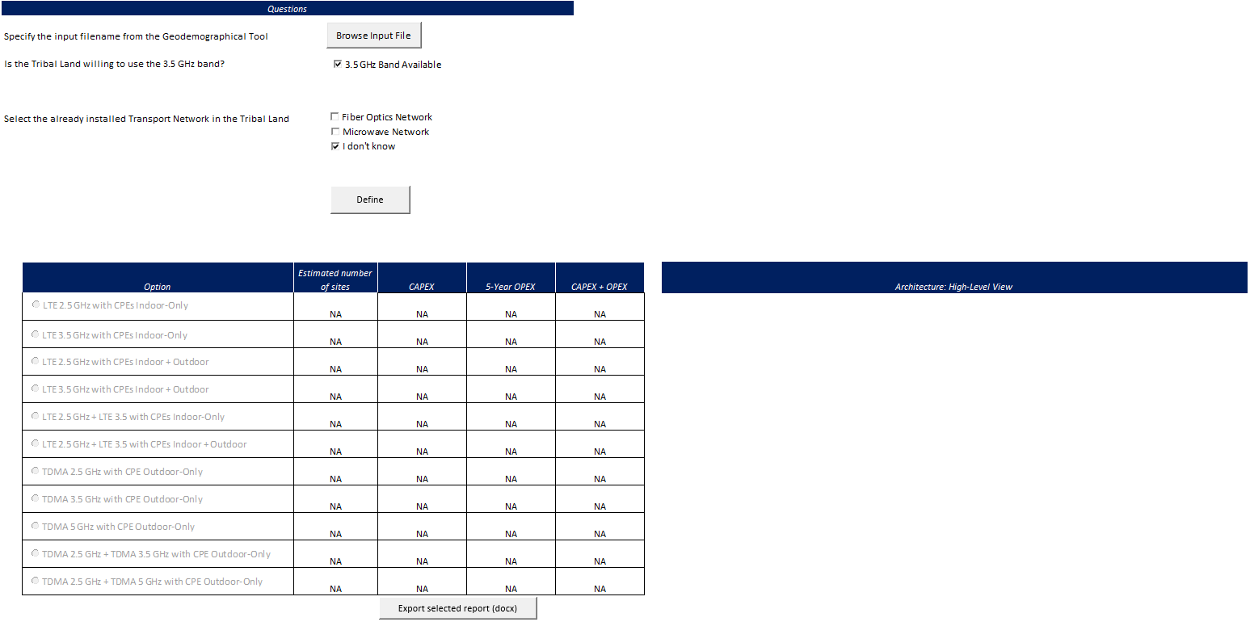
 | A. Input section
 | B. "Define" Button
 | C. Result table
B
 | D. Result image
 | E. "Report Generation" Button
C
D

E

The input section has the following components:
F
 | F. "Browse Input File" button
 | G. Question section
G

Pre-requisites
These are one-time instructions that must be executed after downloading the tool.

1. Unlock the template file in the properties window (Alt-Enter when selecting the file).
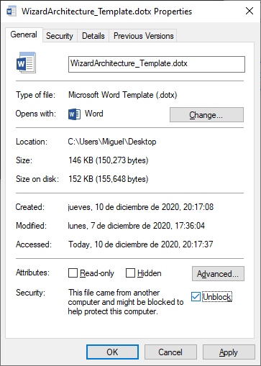

2. For the wizard to work it is needed to activate the libraries related to the version of the Microsoft Word. This allows the tool to generate the reports.
 | (a) Right click on the active sheet of the wizard tool and select View Core option
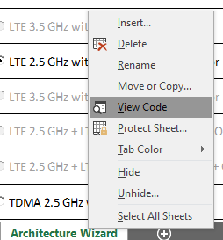

 | (b) On the new window, select the References… option on the Tool menu.

 | (c) Activate the Microsoft Word Object Library. The version can vary depending on the Office version installed.
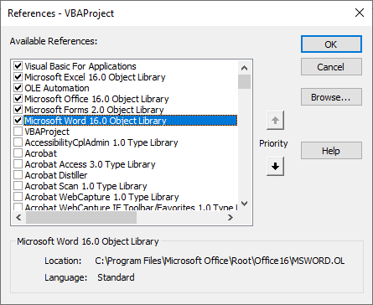

 | (d) click the Ok button and close the Code Window to return to the Wizard main page.

Instructions

1. Select the output file of the Geodemographic tool by clicking the “Browse input file”.
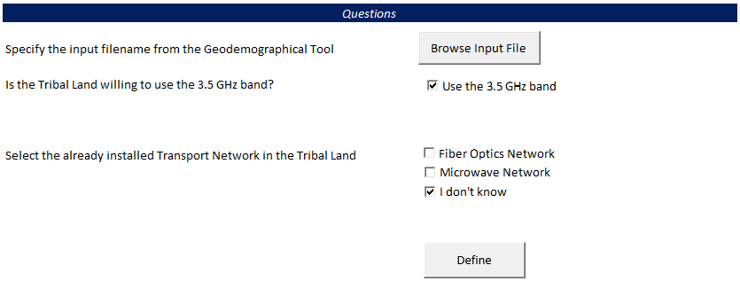

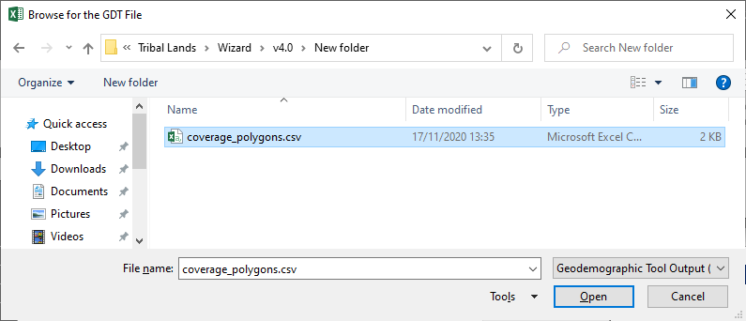

2. Select the 3.5 GHz band option if the Tribal Land is willing to use this band

3. Select the existing transport networks present in the Tribal Land target areas.

4. Click the “Define” button to show the suitable architectures

5. After a short time-lapse, the results will be shown in the table below the questions’ section
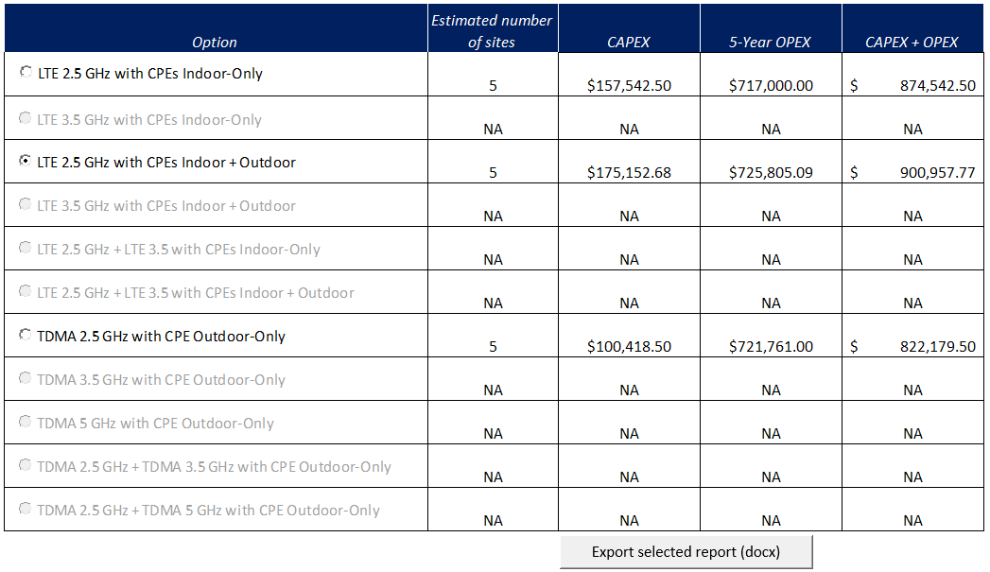

6. After the selection of an architectural option, the preview is shown on the right side of the table
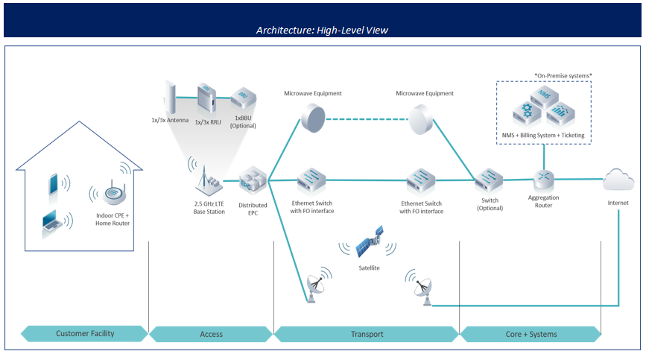

7. Select your architecture and Export the Reference Architecture report by clicking the "Export the selected report" button

83. The resulting report is exported in the same folder as the wizard tool.

